Age Analysis
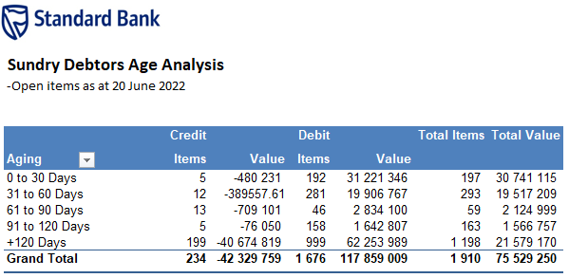

Sundry Debtors Age Analysis
-Open items as at 27 June 2022

 | Credit |  | Debit |  | Total Items | Total Value
Aging | Items | Value | Items | Value
0 to 30 Days | 8 | -552,626 | 249 | 52,811,212 | 257 | 52,258,586
31 to 60 Days | 11 | -335158.45 | 264 | 19,114,676 | 275 | 18,779,517
61 to 90 Days | 11 | -753,900 | 44 | 2,714,836 | 55 | 1,960,936
91 to 120 Days | 8 | -85,650 | 158 | 1,406,111 | 166 | 1,320,461
+120 Days | 199 | -40,674,819 | 996 | 62,203,725 | 1,195 | 21,528,906
Grand Total | 237 | -42,402,153 | 1,711 | 138,250,560 | 1,948 | 95,848,407

